2023-12-04 15-28-49 - regulariz
 |  | Regularisation
 |  | Without |  | With
X | Y | pred | guess | pred | guess
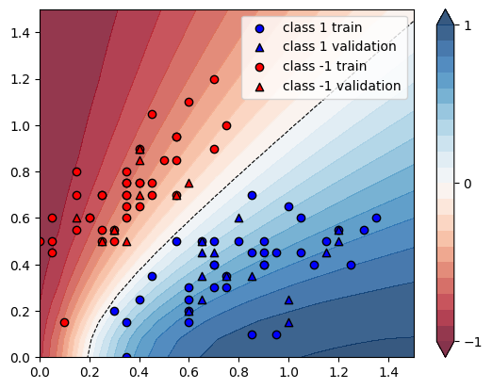
[0.35 0.7 ] | -1 | 0.2115 | Ok | 0.0889 | Ok | 0.579669031
[1.2 0.55] | 1 | 0.8132 | Ok | 0.6822 | Ok | -0.161091982
[0.2 0.6] | -1 | 0.1231 | Ok | 0.0104 | Ok | 0.915515841
[0.7 0.4] | 1 | 0.728 | Ok | 0.5996 | Ok | -0.176373626
[1.15 0.5 ] | 1 | 0.8279 | Ok | 0.6953 | Ok | -0.160164271
[0.35 0.15] | 1 | 0.6794 | Ok | 0.6774 | Ok | -0.002943774
[0.55 0.95] | -1 | 0.2536 | Ok | 0.1358 | Ok | 0.464511041
[0.9 0.4] | 1 | 0.8168 | Ok | 0.6837 | Ok | -0.162952987
[1.1 0.4] | 1 | 0.8704 | Ok | 0.7359 | Ok | -0.154526654
[0.7 0.5] | 1 | 0.6436 | Ok | 0.5139 | Ok | -0.201522685
[0.6 0.15] | 1 | 0.878 | Ok | 0.7832 | Ok | -0.107972665
[0.75 0.3 ] | 1 | 0.8327 | Ok | 0.7059 | Ok | -0.15227573
[0.85 0.45] | 1 | 0.7625 | Ok | 0.6302 | Ok | -0.173508197
[0. 0.5] | -1 | 0.0234 | Ok | -0.0516 | Ok | 3.205128205
[0.35 0.7 ] | -1 | 0.2115 | Ok | 0.0889 | Ok | 0.579669031
[0.25 0.55] | -1 | 0.1887 | Ok | 0.0779 | Ok | 0.587175411
[0.15 0.8 ] | -1 | 0.0534 | Ok | -0.0669 | Ok | 2.252808989
[0.25 0.7 ] | -1 | 0.1316 | Ok | 0.0113 | Ok | 0.914133739
[0.6 1.1] | -1 | 0.2304 | Ok | 0.1186 | Ok | 0.485243056
[0.05 0.45] | -1 | 0.0467 | Ok | -0.0154 | Ok | 1.329764454
[0.35 0.75] | -1 | 0.1908 | Ok | 0.0682 | Ok | 0.642557652
[0.85 0.1 ] | 1 | 0.9664 | Ok | 0.846 | Ok | -0.124586093
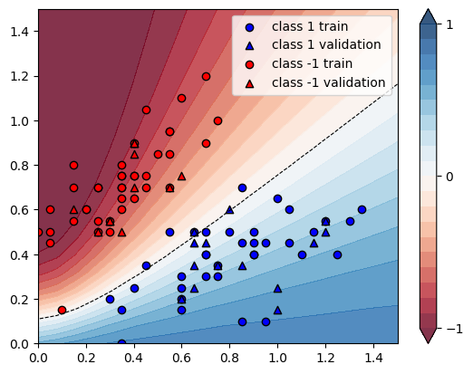
[0.15 0.55] | -1 | 0.097 | Ok | -0.0057 | Ok | 1.058762887
[0.9 0.4] | 1 | 0.8168 | Ok | 0.6837 | Ok | -0.162952987
[0.25 0.5 ] | -1 | 0.2146 | Ok | 0.1107 | Ok | 0.48415657
[0.5 0.85] | -1 | 0.2612 | Ok | 0.1399 | Ok | 0.4643951
[0.15 0.7 ] | -1 | 0.0665 | Ok | -0.051 | Ok | 1.766917293
[0.7 0.4] | 1 | 0.728 | Ok | 0.5996 | Ok | -0.176373626
[0.75 0.35] | 1 | 0.7945 | Ok | 0.6657 | Ok | -0.162114537
[1.25 0.4 ] | 1 | 0.8969 | Ok | 0.7623 | Ok | -0.150072472
[0.35 0. ] | 1 | 0.7709 | Ok | 0.8606 | Ok | 0.116357504
[0.6 0.2] | 1 | 0.8421 | Ok | 0.739 | Ok | -0.122432015
[0.6 0.3] | 1 | 0.7563 | Ok | 0.6404 | Ok | -0.153246066
[0.95 0.1 ] | 1 | 0.9776 | Ok | 0.8509 | Ok | -0.12960311
[1.05 0.6 ] | 1 | 0.7396 | Ok | 0.6098 | Ok | -0.17550027
[0.45 0.75] | -1 | 0.2701 | Ok | 0.1465 | Ok | 0.457608293
[0.7 0.9] | -1 | 0.3729 | Ok | 0.2537 | Ok | 0.319656744
[1. 0.65] | 1 | 0.689 | Ok | 0.5608 | Ok | -0.186066763
[0.9 0.45] | 1 | 0.7826 | Ok | 0.6498 | Ok | -0.169690774
[1.05 0.45] | 1 | 0.8306 | Ok | 0.697 | Ok | -0.16084758
[0.3 0.5] | -1 | 0.2713 | Ok | 0.1624 | Ok | 0.401400663
[0.8 0.5] | 1 | 0.7013 | Ok | 0.57 | Ok | -0.187223727
[0.05 0.6 ] | -1 | 0.0317 | Ok | -0.0716 | Ok | 3.258675079
[0.1 0.15] | -1 | 0.2135 | Ok | 0.4535 | Ok | -1.12412178
[0.35 0.8 ] | -1 | 0.1727 | Ok | 0.0506 | Ok | 0.707006369
[0.7 1.2] | -1 | 0.2518 | Ok | 0.1445 | Ok | 0.426131851
[0.4 0.75] | -1 | 0.2301 | Ok | 0.107 | Ok | 0.534984789
[0.35 0.75] | -1 | 0.1908 | Ok | 0.0682 | Ok | 0.642557652
[0.05 0.5 ] | -1 | 0.0406 | Ok | -0.04 | Ok | 1.985221675
[0.55 0.95] | -1 | 0.2536 | Ok | 0.1358 | Ok | 0.464511041
[0.9 0.5] | 1 | 0.7477 | Ok | 0.6155 | Ok | -0.176808881
[0.45 0.35] | 1 | 0.5804 | Ok | 0.4761 | Error | -0.179703653
[0.4 0.75] | -1 | 0.2301 | Ok | 0.107 | Ok | 0.534984789
[0.3 0.55] | -1 | 0.2403 | Ok | 0.1259 | Ok | 0.476071577
[0.45 0.7 ] | -1 | 0.2965 | Ok | 0.1722 | Ok | 0.419224283
[1.35 0.6 ] | 1 | 0.8221 | Ok | 0.6931 | Ok | -0.156915217
[0.25 0.7 ] | -1 | 0.1316 | Ok | 0.0113 | Ok | 0.914133739
[0.35 0.6 ] | -1 | 0.2622 | Ok | 0.1418 | Ok | 0.459191457
[0.4 0.65] | -1 | 0.2807 | Ok | 0.1574 | Ok | 0.439258995
[1.3 0.55] | 1 | 0.8357 | Ok | 0.7049 | Ok | -0.156515496
[0.55 0.85] | -1 | 0.2967 | Ok | 0.1754 | Ok | 0.408830468
[0.55 0.7 ] | -1 | 0.3795 | Ok | 0.2541 | Ok | 0.330434783
[0.65 0.5 ] | 1 | 0.6098 | Ok | 0.4812 | Error | -0.210888816
[0.3 0.2] | 1 | 0.5551 | Ok | 0.5531 | Ok | -0.003602954
[0.7 0.3] | 1 | 0.8112 | Ok | 0.6872 | Ok | -0.152859961
[0.85 0.7 ] | 1 | 0.5839 | Ok | 0.4573 | Error | -0.216817948
[0.45 1.05] | -1 | 0.1619 | Ok | 0.047 | Ok | 0.709697344
[0.55 0.5 ] | 1 | 0.531 | Ok | 0.4056 | Error | -0.236158192
[0.75 1. ] | -1 | 0.3553 | Ok | 0.2404 | Ok | 0.323388686
[0.6 0.25] | 1 | 0.801 | Ok | 0.6908 | Ok | -0.137578027
[0.4 0.9] | -1 | 0.1742 | Ok | 0.0543 | Ok | 0.688289323
[0.2 0.6] | -1 | 0.1231 | Ok | 0.0104 | Ok | 0.915515841
[0.35 0.65] | -1 | 0.2351 | Ok | 0.1132 | Ok | 0.518502765
[0.95 0.45] | 1 | 0.8004 | Ok | 0.6673 | Ok | -0.166291854
[0.4 0.25] | 1 | 0.6339 | Ok | 0.5646 | Ok | -0.109323237
 |  |  |  |  | AVG | 0.341872205

